Sheet6
ALL PRODUCT SHIPPED PORT QUYNHON, VIETNAM
ALL PRODUCT 100% FSC, NO MIXED SOURCES.
PRICING INDICATIVE OF CURRENT TIMBER RATES - VALIDITY - 6 MONTHS |  |  |  |  |  |  |  |  |  |  |  |  | DHT SUM COST WTH PROFIT + SHIPPING
ALL PRODUCT BSI & GS SPECIFICATION |  |  |  |  |  |  |  |  |  |  |  |  | ĐƠN VỊ VẬN CHUYỂN | UPS
 |  |  |  |  |  |  |  |  |  |  |  |  | COUNTRY | ZONE | PROFIT
REFERENCE PICTURE | PRODUCT DESCRIPTION |  | PRODUCT NAME | PRODUCT DIMENSION (mm) |  |  |  |  | BOX OUTER(MM) |  |  | PACKING | Aland Island (Finland)* | 6 | 50%
 |  |  |  | L / D | W | H | S/H | A/H | L | W | H |  | TEAK | EUCALYPTUS | ACACIA

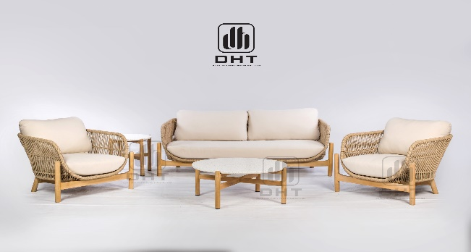 | DETAILS | INFORMATION | BONDI COLLECTION
 | TIMBER/FRAME: | FSC 100% TEAK/EUCALYPTUS/ACACIA | BONDI ROPE DOUBLE LOUNGE WITH CUSHIONS | 804 | 1778 | 625 | 238/418 | 665/665 | 1795 | 820 | 520 | 1 PER CTN | $1,579.21 | $1,538.02 | $1,533.18
 | WOOD COLOUR : | OIL FINISHING | BONDI ROPE SINGLE LOUNGE WITH CUSHIONS | 804 | 864 | 625 | 238/418 | 665/665 | 885 | 820 | 520 | 1 PER CTN | $799.86 | $776.01 | $773.21
 | CUSHION MATERIAL/ COLOR: | POLYESTER 180 GRMS | BONDI BASE FRAME COFFEE TABLE - Ø 800 x 400H | 844 | 844 | 370 |  |  | 885 | 470 | 90 | 1 PER CTN | $100.80 | $84.46 | $82.53
 | WICKER MATERIAL/COLOR: | SR-40 | BONDI TERRAZZO TOP ONLY- 800 x 800 x 30MM- CARTON PACKING | 800 | 800 | 25 |  |  | 870 | 870 | 95 | 1 PER CTN | $261.41 | $261.41 | $261.41
 | ALU/GRANITE//TILE/GLASS/TERRAZZO: | TERRAZZO - ALUMINIUM FRAME | BONDI BASE FRAME SIDE TABLE - Ø 500 x 500H | 500 | 500 | 470 |  |  | 560 | 540 | 90 | 1 PER CTN | $75.89 | $62.81 | $61.27
 | CARTON: | BROWN 5PLY | BONDI TERRAZZO TOP ONLY- 455 x 455 x 25MM- CARTON PACKING | 455 | 455 | 25 |  |  | 525 | 525 | 95 | 1 PER CTN | $103.45 | $103.45 | $103.45
 | HARDWARE: | SILVER
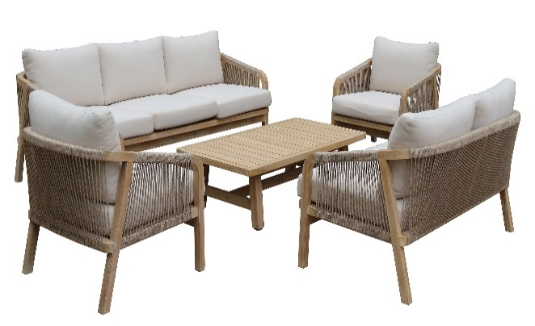 | DETAILS | INFORMATION | LOTUS COLLECTION
 | TIMBER/FRAME: | FSC 100% TEAK/EUCALYPTUS/ACACIA
 | WOOD COLOUR : | OIL FINISHING | LOTUS TRIPLE LOUNGE WITH CUSHIONS | 795 | 2030 | 685 | 312 | 570 | 2090 | 825 | 710 | 1 PER CTN | $2,354.24 | $2,264.12 | $2,253.52
 | CUSHION MATERIAL/ COLOR: | POLYESTER 180 GRMS | LOTUS DOUBLE LOUNGE WITH CUSHIONS | 795 | 1510 | 685 | 312 | 570 | 1570 | 825 | 710 | 1 PER CTN | $1,777.92 | $1,708.53 | $1,700.37
 | WICKER MATERIAL/COLOR: | RF-SR40 6MM | LOTUS SINGLE LOUNGE WITH CUSHIONS | 795 | 680 | 685 | 312 | 570 | 850 | 720 | 710 | 1 PER CTN | $864.93 | $823.22 | $818.31
 | ALU/GRANITE//TILE/GLASS/TERRAZZO: |  | LOTUS COFFEE TABLE - 1275 x 650 x 360H | 1275 | 650 | 360/368 |  |  | 1335 | 685 | 110 | 1 PER CTN | $333.84 | $260.98 | $252.41
 | CARTON: | BROWN 5PLY
 | HARDWARE: | SILVER
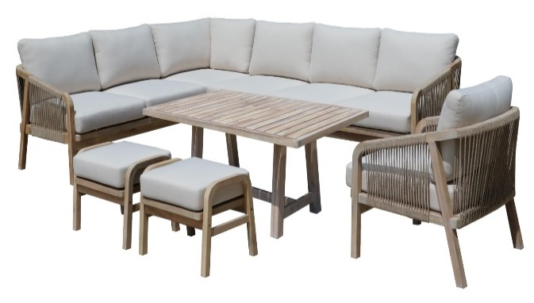 | DETAILS | INFORMATION | LOTUS COLLECTION
 | TIMBER/FRAME: | FSC 100% TEAK/EUCALYPTUS/ACACIA
 | WOOD COLOUR : | OIL FINISHING | LOTUS TRIPLE RETURN LEFT ARM WITH CUSHIONS | 795 | 2145 | 685 | 310 | 565 | 2165 | 875 | 915 | 1 X TRIPLE RETURN LEFT + 1 X TRIPLE RIGHT | $3,529.36 | $3,329.55 | $3,306.04
 | CUSHION MATERIAL/ COLOR: | POLYESTER 180 GRMS | LOTUS TRIPLE RIGHT WITH CUSHIONS | 795 | 1990 | 685 | 310 | 565
 | WICKER MATERIAL/COLOR: | RF-SR40 6MM | LOTUS MIDHIEGHT DINING TABLE 1500 x 900 x 680mm | 1540 | 900 | 688 |  |  | 1585 | 945 | 120 | 1 PER CTN | $562.59 | $447.31 | $433.74
 | ALU/GRANITE//TILE/GLASS/TERRAZZO: |  | LOTUS OTTOMAN TO MATCH 35x35xH41 | 400 | 550 | 420 | 310 |  | 540 | 435 | 490 | 2 PER CTN | $247.29 | $226.18 | $223.69
 | CARTON: | BROWN 5PLY | LOTUS SINGLE LOUNGE WITH CUSHIONS | 795 | 680 | 685 | 312 | 570 | 850 | 720 | 710 | 1 PER CTN | $864.93 | $823.22 | $818.31
 | HARDWARE: | SILVER
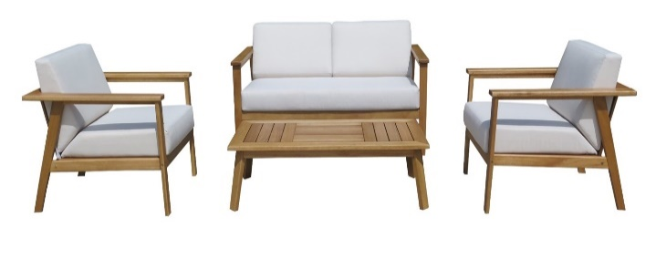 | DETAILS | INFORMATION | CASPER COLLECTION
 | TIMBER/FRAME: | FSC 100% TEAK/EUCALYPTUS/ACACIA
 | WOOD COLOUR : | OIL FINISHING
 | CUSHION MATERIAL/ COLOR: | POLYESTER 180 GRMS | CASPER DOUBLE LOUNGE WITH CUSHION | 840 | 1490 | 620/815 | 300/455 | 620 | 1410 | 700 | 460 | 1PER CTN | $1,039.71 | $958.17 | $948.57
 | WICKER MATERIAL/COLOR: |  | CASPER SINGLE LOUNGE WITH CUSHION | 840 | 770 | 620/815 | 300/455 | 620 | 910 | 685 | 435 | 1PER CTN | $615.66 | $565.02 | $559.06
 | ALU/GRANITE//TILE/GLASS/TERRAZZO: |  | CASPER II COFFEE TABLE - 1200 x 615mm x 340H | 1200 | 615 | 340 |  |  | 1245 | 640 | 85 | 1PER CTN | $267.29 | $214.53 | $208.32
 | CARTON: | BROWN 5PLY
 | HARDWARE: | STANDARD
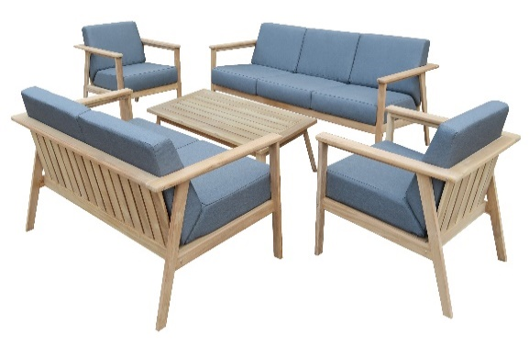 | DETAILS | INFORMATION | CASPER COLLECTION
 | TIMBER/FRAME: | FSC 100% TEAK/EUCALYPTUS/ACACIA
 | WOOD COLOUR : | OIL FINISHING | CASPER TRIPLE LOUNGE WITH CUSHION | 840 | 2185 | 620/815 | 300/455 | 620 | 2085 | 710 | 460 | 1 PER CTN | $1,441.60 | $1,322.77 | $1,308.79
 | CUSHION MATERIAL/ COLOR: | POLYESTER 180 GRMS | CASPER DOUBLE LOUNGE WITH CUSHION | 840 | 1490 | 620/815 | 300/455 | 620 | 1410 | 700 | 460 | 1 PER CTN | $965.16 | $883.41 | $873.79
 | WICKER MATERIAL/COLOR: |  | CASPER SINGLE LOUNGE WITH CUSHION | 840 | 770 | 620/815 | 300/455 | 620 | 910 | 685 | 435 | 1 PER CTN | $583.00 | $532.20 | $526.23
 | ALU/GRANITE//TILE/GLASS/TERRAZZO: |  | CASPER II COFFEE TABLE - 1200 x 615x 340H | 1200 | 615 | 340 |  |  | 1245 | 640 | 110 | 1 PER CTN | $267.77 | $214.91 | $208.69
 | CARTON: | BROWN 5PLY
 | HARDWARE: | STAINLESS
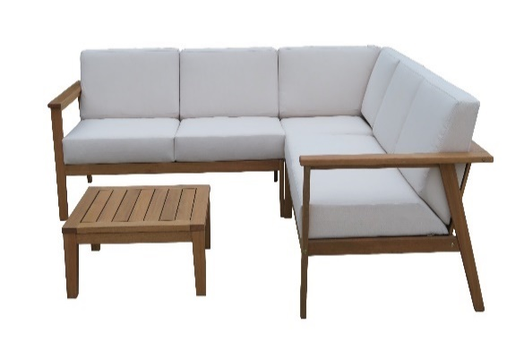 | DETAILS | INFORMATION | CASPER COLLECTION
 | TIMBER/FRAME: | FSC 100% TEAK/EUCALYPTUS/ACACIA
 | WOOD COLOUR : | OIL FINISHING | CASPER MODULAR DOUBLE LEFT WITH CUSHION | 840 | 1340/1420 | 620/815 | 300/455 |  | 1380 | 705 | 485 | 1PER CTN | $978.86 | $902.82 | $893.87
 | CUSHION MATERIAL/ COLOR: | POLYESTER 180 GRMS | CASPER MODULAR DOUBLE RIGHT WITH CUSHION | 840 | 1340/1420 | 620/815 | 300/455 |  | 1380 | 705 | 485 | 1PER CTN | $978.86 | $902.82 | $893.87
 | WICKER MATERIAL/COLOR: |  | CASPER MODULAR CORNER WITH CUSHION | 840 | 840 | 620/815 | 300/455 |  | 870 | 675 | 625 | 1PER CTN | $745.66 | $693.36 | $687.21
 | ALU/GRANITE//TILE/GLASS/TERRAZZO: |  | CASPER SQUARE COFFEE TABLE 740 x 740 x 340H | 740 | 740 | 340 |  |  | 780 | 780 | 85 | 1PER CTN | $194.34 | $157.09 | $152.70
 | CARTON: | BROWN 5PLY
 | HARDWARE: | STANDARD
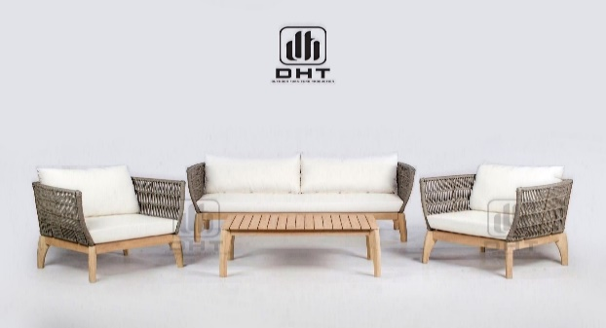 | DETAILS | INFORMATION | HERMAN COLLECTION
 | TIMBER/FRAME: | FSC 100% TEAK/EUCALYPTUS/ACACIA
 | WOOD COLOUR : | OIL FINISHING
 | CUSHION MATERIAL/ COLOR: | POLYESTER 180 GRMS | HERMAN TRIPLE LOUNGE WITH CUSHION | 760 | 1810 | 730/860 | 280/410 | 730 | 1855 | 920 | 610 | 1 TRIPLE + 2 SINGLE PER CTN | $2,274.63 | $2,172.57 | $2,160.57
 | WICKER MATERIAL/COLOR: | RF-SR40 6MM | HERMAN SINGLE LOUNGE WITH CUSHION | 760 | 875 | 730/860 | 280/410 | 730
 | ALU/GRANITE//TILE/GLASS/TERRAZZO: |  | HERMAN COFFEE TABLE 1020 x 600mm | 900 | 600 | 400 |  |  | 950 | 630 | 85 | 1PER CTN | $207.77 | $164.35 | $159.24
 | CARTON: | BROWN 5PLY
 | HARDWARE: | SILVER
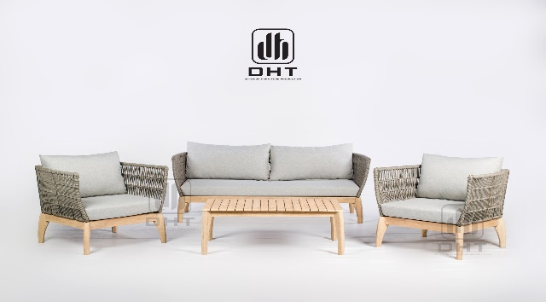 | DETAILS | INFORMATION | HERMAN COLLECTION
 | TIMBER/FRAME: | FSC 100% TEAK/EUCALYPTUS/ACACIA
 | WOOD COLOUR : | OIL FINISHING
 | CUSHION MATERIAL/ COLOR: | POLYESTER 180 GRMS | HERMAN TRIPLE LOUNGE WITH CUSHION | 760 | 1810 | 730/860 | 280/410 | 730 | 1855 | 920 | 610 | 1 TRIPLE + 2 SINGLE PER CTN | $2,295.66 | $2,193.61 | $2,181.61
 | WICKER MATERIAL/COLOR: | GREY AS SAMPLE(SR97) | HERMAN SINGLE LOUNGE WITH CUSHION | 760 | 875 | 730/860 | 280/410 | 730
 | ALU/GRANITE//TILE/GLASS/TERRAZZO: |  | HERMAN COFFEE TABLE 1020 x 600mm | 900 | 600 | 400 |  |  | 950 | 630 | 85 | 1PER CTN | $207.77 | $164.35 | $159.24
 | CARTON: | BROWN 5PLY
 | HARDWARE: | SILVER
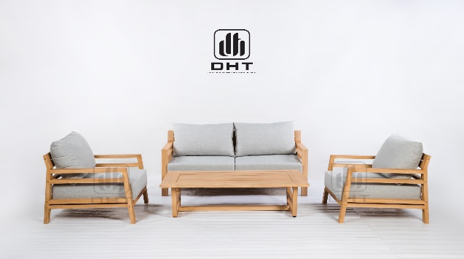 | DETAILS | INFORMATION | BROOKS COLLECTION
 | TIMBER/FRAME: | FSC 100% TEAK/EUCALYPTUS/ACACIA
 | WOOD COLOUR : | OIL FINISHING | BROOKS DOUBLE LOUNGE CHAIR | 805 | 1540 | 710 | 210 | 574 | 1465 | 830 | 435 | 1 PER CARTON |  | $908.39
 | CUSHION MATERIAL/ COLOR: | POLYESTER 180 GRMS | BROOKS SINGLE LOUNGE CHAIR | 805 | 800 | 710 | 210 | 574 | 950 | 750 | 390 | 1 PER CARTON | $644.16 | $568.52 | $559.62
 | WICKER MATERIAL/COLOR: |  | BROOKS COFFEE TABLE 1300 x 820mm | 1300 | 820 | 380 |  |  | 1350 | 870 | 85 | 1 PER CARTON | $362.69 | $275.59 | $265.34
 | ALU/GRANITE//TILE/GLASS/TERRAZZO:
 | CARTON: | SHOE BOX, BROWN 5PLY
 | HARDWARE: | STANDARD
 | DETAILS | INFORMATION | CREMONA COLLECTION
 | TIMBER/FRAME: | FSC 100% TEAK/EUCALYPTUS/ACACIA
 | WOOD COLOUR : | OIL FINISHING
 | CUSHION MATERIAL/ COLOR: | POLYESTER 180 GRMS | CREMONA DOUBLE LOUNGE 2.5 WITH CUSHION WITH 2 LUMBARS | 878 | 1800 | 645 | 220 | 645 | 1820 | 900 | 435 | 1 PER CTN | $1,454.60 | $1,354.92 | $1,343.19
 | WICKER MATERIAL/COLOR: |  | CREMONA SINGLE LOUNGE WITH CUSHION WITH 2 LUMBARS | 878 | 950 | 645 | 220 | 645 | 965 | 900 | 500 | 1 PER CTN | $897.43 | $833.31 | $825.77
 | ALU/GRANITE//TILE/GLASS/TERRAZZO: |  | CREMONA COFFEE TABLE 1300X745X358MM | 1300 | 745 | 358 |  |  | 1375 | 780 | 115 | 1 PER CTN | $335.17 | $280.77 | $274.38
 | CARTON: | BROWN 5PLY
 | HARDWARE: | SILVER
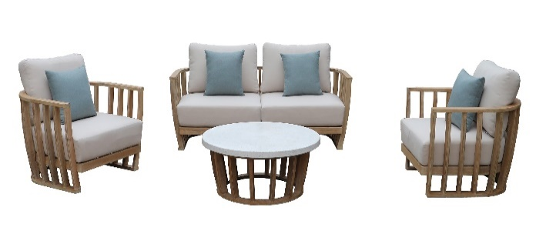 | DETAILS | INFORMATION | CATANIA COLLECTION
 | TIMBER/FRAME: | FSC 100% TEAK/EUCALYPTUS/ACACIA
 | WOOD COLOUR : | OIL FINISHING | CATANIA LOVESEAT WITH CUSHIONS - 2xSCATTERS | 886 | 1866 | 650 | 220 | 650 | 1925 | 1000 | 1080 | 1 x LOVESEAT + 2 x SINGLES PER CTN | $4,036.21 | $3,852.99 | $3,831.44
 | CUSHION MATERIAL/ COLOR: | POLYESTER 180 GRMS | CATANIA SINGLE LOUNGE WITH CUSHIONS- 1xSCATTER | 886 | 922 | 650 | 220 | 650
 | WICKER MATERIAL/COLOR: |  | CATANIA COFFEE TABLE - 1000 ROUND - TIMBER BASE FRAME ONLY | 1000 | 1000 | 405 |  |  | 1060 | 1045 | 415 | 1 PER CTN | $897.98 | $854.53 | $849.42
 | ALU/GRANITE//TILE/GLASS/TERRAZZO: | TERRAZO - WHITE MEDIUM STONE | CATANIA COFFEE TABLE TERAZZO TOP - 1000mm ROUND | 1000 |  | 40 |  |  | 1070 | 1070 | 110 | 1 PER CTN | $308.19 | $308.19 | $308.19
 | CARTON: | BROWN 5PLY
 | HARDWARE: | SILVER
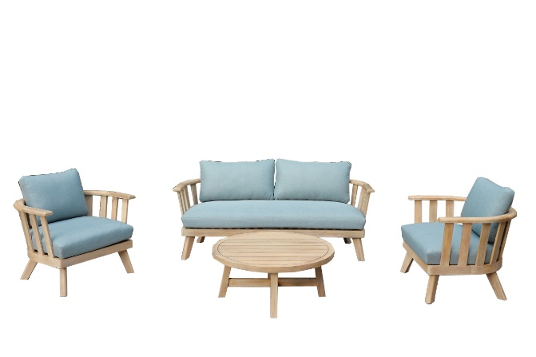 | DETAILS | INFORMATION | ZEN COLLECTION
 | TIMBER/FRAME: | FSC 100% TEAK/EUCALYPTUS/ACACIA
 | WOOD COLOUR : | OIL FINISHING
 | CUSHION MATERIAL/ COLOR: | POLYESTER 180 GRMS | ZEN DOUBLE LOUNGE WITH CUSHIONS - 2xSCATTERS | 740 | 1800 | 650 | 280/440 | 600 | 1860 | 945 | 635 | 1 x DOUBLE + 2 x SINGLE PER CTN | $2,288.34 | $2,131.23 | $2,112.75
 | WICKER MATERIAL/COLOR: |  | ZEN SINGLE LOUNGE WITH CUSHIONS - 1xSCATTER | 740 | 850 | 600 | 280/440 | 600
 | ALU/GRANITE//TILE/GLASS/TERRAZZO: |  | ZEN COFFEE ROUND TABLE 900mm CROSS SHAPE LEG FULL TIMBER TOP | 900 | 900 | 380 |  |  | 960 | 935 | 160 | 1 PER CTN | $393.45 | $327.10 | $319.29
 | CARTON: | BROWN 5PLY
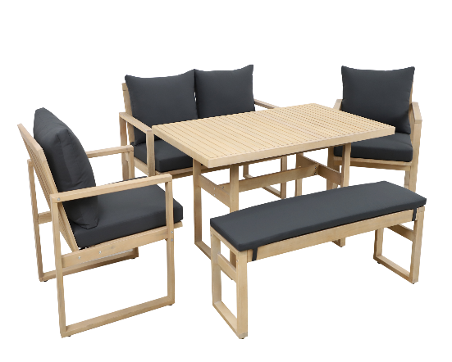
 | HARDWARE: | SILVER
 | DETAILS | INFORMATION | ZOE COLLECTION
 | TIMBER/FRAME: | FSC 100% TEAK/EUCALYPTUS/ACACIA
 | WOOD COLOUR : | OIL FINISHING | ZOE DOUBLE LOUNGE WITH CUSHIONS - NEW HIEGHT | 707 | 1180 | 796/870 | 378/460 | 618 | 1190 | 690 | 665 | 1 x DOUBLE + 2 x SINGLE PER CTN | $1,170.31 | $1,073.01 | $1,061.57
 | CUSHION MATERIAL/ COLOR: | POLYESTER 180 GRMS | ZOE SINGLE LOUNGE WITH CUSHIONS - NEW HIEGHT | 707 | 640 | 796/870 | 378/460 | 618
 | WICKER MATERIAL/COLOR: |  | ZOE MID HEIGHT DINING TABLE - 1305 x 800 x 680H | 1305 | 800 | 680 |  |  | 1395 | 910 | 170 | 1 x TABLE + 1 x BENCH | $567.57 | $481.86 | $471.78
 | ALU/GRANITE//TILE/GLASS/TERRAZZO: |  | ZOE BENCH WITH CUSHION - 1185 x 320 x 390H | 1185 | 320 | 390
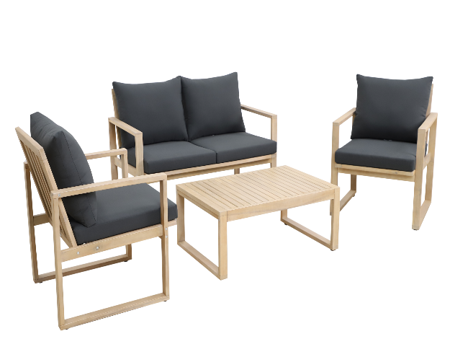
 | CARTON: | BROWN 5PLY
 | HARDWARE: | SILVER
 | DETAILS | INFORMATION | ZOE COLLECTION
 | TIMBER/FRAME: | FSC 100% TEAK/EUCALYPTUS/ACACIA
 | WOOD COLOUR : | OIL FINISHING
 | CUSHION MATERIAL/ COLOR: | POLYESTER 180 GRMS | ZOE DOUBLE LOUNGE WITH CUSHIONS - NEW HIEGHT | 707 | 1180 | 796/870 | 378/460 | 618 | 1190 | 690 | 665 | 1 x DOUBLE + 2 x SINGLE PER CTN | $1,170.31 | $1,073.01 | $1,061.57
 | WICKER MATERIAL/COLOR: |  | ZOE SINGLE LOUNGE WITH CUSHIONS - NEW HIEGHT | 707 | 640 | 796/870 | 378/460 | 618
 | ALU/GRANITE//TILE/GLASS/TERRAZZO: |  | ZOE COFFEE TABLE - 900 x 600 x 360H | 900 | 600 | 360 |  |  | 910 | 690 | 165 | 1 PER CTN | $263.41 | $227.02 | $222.74
 | CARTON: | BROWN 5PLY
 | HARDWARE: | SILVER
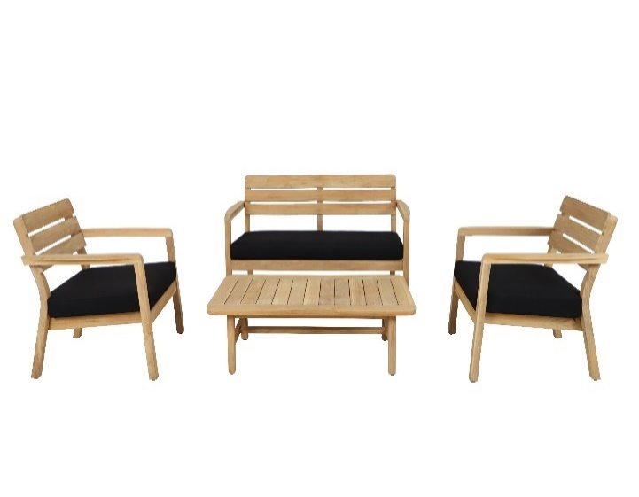 | DETAILS | INFORMATION | BLAZE COLLECTION
 | TIMBER/FRAME: | FSC 100% TEAK/EUCALYPTUS/ACACIA
 | WOOD COLOUR : | OIL FINISHING
 | CUSHION MATERIAL/ COLOR: | POLYESTER 180 GRMS | BLAZE DOUBLE LOUNGE WITH CUSHION | 721 | 1380 | 792 | 330 | 610 | 1330 | 820 | 290 | 1 PER CTN | $717.41 | $643.58 | $634.89
 | WICKER MATERIAL/COLOR: |  | BLAZE SINGLE LOUNGE WITH CUSHION | 721 | 730 | 792 | 330 | 610 | 820 | 675 | 290 | 1 PER CTN | $386.48 | $339.72 | $334.22
 | ALU/GRANITE//TILE/GLASS/TERRAZZO: |  | BLAZE COFFEE TABLE 1145 X 650 X 350H | 1145 | 650 | 350 |  |  | 1185 | 690 | 80 | 1 PER CTN | $267.03 | $210.39 | $203.72
 | CARTON: | BROWN 5PLY
 | HARDWARE: | STAINLESS
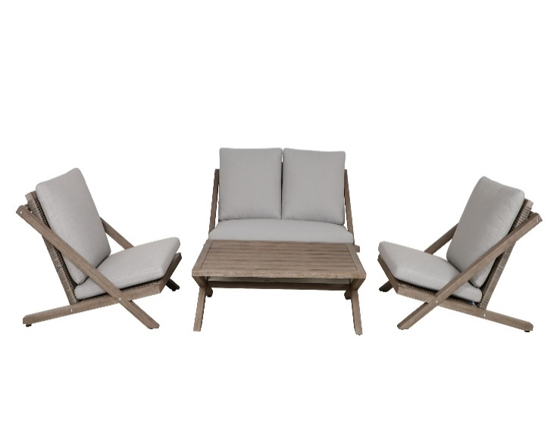 | DETAILS | INFORMATION | STRATHHMERE COLLECTION
 | TIMBER/FRAME: | FSC 100% TEAK/EUCALYPTUS/ACACIA
 | WOOD COLOUR : | OIL FINISHING
 | CUSHION MATERIAL/ COLOR: | POLYESTER 180 GRMS | STRATHHMERE DOUBLE LOUNGE WITH CUSHION | 905 | 1290 | 730/790 | 255/350 |  | 1330 | 1140 | 215 | 1 PER CTN | $739.03 | $679.75 | $672.78
 | WICKER MATERIAL/COLOR: | WICKER HALF ROUND 6mm H1339S | STRATHHMERE SINGLE LOUNGE WITH CUSHION | 905 | 670 | 730/790 | 255/350 |  | 1140 | 710 | 415 | 2 PER CTN | $698.63 | $657.07 | $652.18
 | ALU/GRANITE//TILE/GLASS/TERRAZZO: |  | STRATHHMERE CROSS LEG COFFEE TABLE 1100X650X358MM | 1100 | 650 | 358 |  |  | 1155 | 675 | 90 | 1 PER CTN | $234.43 | $182.89 | $176.83
 | CARTON: | BROWN 5PLY
 | HARDWARE: | SILVER
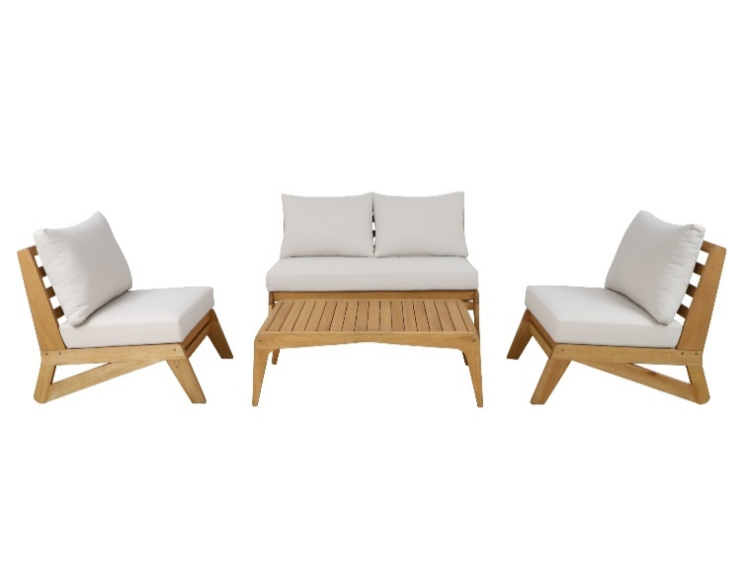 | DETAILS | INFORMATION | RHINE COLLECTION
 | TIMBER/FRAME: | FSC 100% TEAK/EUCALYPTUS/ACACIA
 | WOOD COLOUR : | OIL FINISHING
 | CUSHION MATERIAL/ COLOR: | POLYESTER 180 GRMS | RHINE DOUBLE LOUNGE WITH CUSHION | 985 | 1500 | 758/840 | 310/440 | 758 | 1540 | 710 | 365 | 1 PER CTN | $922.37 | $817.38 | $805.02
 | WICKER MATERIAL/COLOR: |  | RHINE SINGLE LOUNGE WITH CUSHION | 985 | 630 | 758/840 | 310/440 | 758 | 1020 | 670 | 355 | 1 PER CTN | $558.02 | $496.16 | $488.88
 | ALU/GRANITE//TILE/GLASS/TERRAZZO: |  | RHINE COFFEE TABLE 1258X590X360H mm | 1258 | 590 | 360 |  |  | 1300 | 705 | 100 | 1 PER CTN | $289.18 | $229.68 | $222.68
 | CARTON: | BROWN 5PLY
 | HARDWARE: | STANDARD
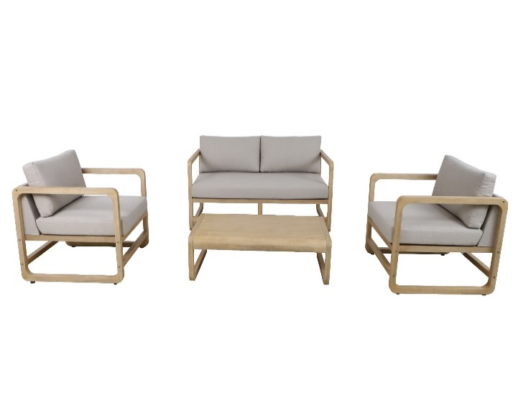 | DETAILS | INFORMATION | BRENDAN COLLECTION
 | TIMBER/FRAME: | FSC 100% TEAK/EUCALYPTUS/ACACIA
 | WOOD COLOUR : | LIGHT TEAK O1A
 | CUSHION MATERIAL/ COLOR: | NATURAL TAUPE W004 | BRENDAN DOUBLE LOUNGE WITH CUSHION | 800 | 1480 | 650 / 795 | 320 / 430 | 650 | 1460 | 1030 | 295 | 1 PER CTN | $1,024.89 | $908.18 | $894.45
 | WICKER MATERIAL/COLOR: |  | BRENDAN SINGLE LOUNGE WITH CUSHION | 800 | 730 | 650 /795 | 320 / 430 | 650 | 840 | 710 | 395 | 1 PER CTN | $572.63 | $498.04 | $489.27
 | ALU/GRANITE//TILE/GLASS/TERRAZZO: |  | BRENDAN COFFEE TABLE 1100 x 600 x 330mm | 1100 | 600 | 330 |  |  | 1060 | 640 | 135 | 1 PER CTN | $302.49 | $236.83 | $229.10
 | CARTON: | BROWN 5PLY
 | HARDWARE: | SILVER
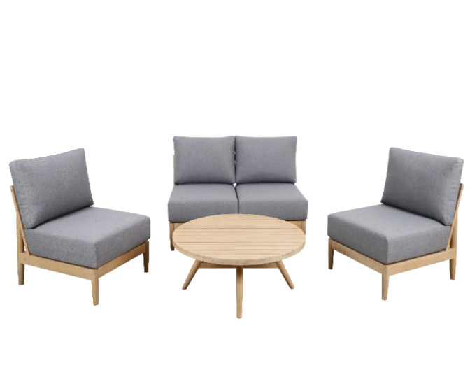 | DETAILS | INFORMATION | LIBERTY COLLECTION
 | TIMBER/FRAME: | FSC 100% TEAK/EUCALYPTUS/ACACIA
 | WOOD COLOUR : | OIL FINISHING
 | CUSHION MATERIAL/ COLOR: | POLYESTER 180 GRMS | LIBERTY DOUBLE LOUNGE WITH CUSHION - 1300mm | 805 | 1300 | 650 | 220 |  | 1340 | 735 | 415 | 1 PER CTN | $861.62 | $789.63 | $781.17
 | WICKER MATERIAL/COLOR: |  | LIBERTY SINGLE LOUNGE WITH CUSHION - 650mm | 805 | 650 | 650 | 220 |  | 830 | 690 | 375 | 1 PER CTN | $477.82 | $430.08 | $424.46
 | ALU/GRANITE//TILE/GLASS/TERRAZZO: |  | LIBERTY COFFEE TABLE 1100 x 600MM | 1100 | 600 | 373 |  |  | 1160 | 635 | 105 | 1 PER CTN | $261.61 | $203.33 | $196.47
 | CARTON: | BROWN 5PLY
 | HARDWARE: | SILVER
 | DETAILS | INFORMATION | MOSSEL COLLECTION
 | TIMBER/FRAME: | FSC 100% TEAK/EUCALYPTUS/ACACIA
 | WOOD COLOUR : | OIL FINISHING
 | CUSHION MATERIAL/ COLOR: | POLYESTER 180 GRMS | MOSSEL TRIPLE LOUNGE WITH CUSHION | 770 | 2150 | 740 /870 | 270 /410 | 740 | 2190 | 810 | 615 | 1 TRIPLE + 1 COFFEE | $2,370.13 | $2,197.08 | $2,176.72
 | WICKER MATERIAL/COLOR: | ROPE VPR-PE106 | MOSSEL COFFEE TABLE 1300 x750 | 1300 | 750 | 270
 | ALU/GRANITE//TILE/GLASS/TERRAZZO: |  | MOSSEL SINGLE LOUNGE WITH CUSHION | 770 | 920 | 740 /870 | 270 /410 | 740 | 960 | 810 | 615 | 1 PER CTN | $1,002.62 | $954.43 | $948.76
 | CARTON: | BROWN 5PLY
 | HARDWARE: | STAINLESS
 | DETAILS | INFORMATION | BREEZE COLLECTION
 | TIMBER/FRAME: | FSC 100% TEAK/EUCALYPTUS/ACACIA
 | WOOD COLOUR : | OIL FINISHING
 | CUSHION MATERIAL/ COLOR: | POLYESTER 180 GRMS | BREEZE DOUBLE LOUNGE CHAIR - 2.5mm ROUND DARK WHITE - BASE CUSHION LIGHT TAUPE | 710 | 1615 | 790 | 365 | 590 | 1670 | 705 | 525 | 1 PER CTN | $1,271.26 | $1,247.95 | $1,245.21
 | WICKER MATERIAL/COLOR: |  | BREEZE SINGLE LOUNGE CHAIR- 2.5mm ROUND DARK WHITE - BASE CUSHION LIGHT TAUPE | 710 | 700 | 790 | 365 | 590 | 745 | 705 | 675 | 2 PER CTN | $724.57 | $712.73 | $711.34
 | ALU/GRANITE//TILE/GLASS/TERRAZZO: |  | BREEZE COFFEE TABLE 1100 x 608mm | 1100 | 608 | 400 |  |  | 1145 | 635 | 60 | 1 PER CTN | $207.55 | $160.22 | $154.66
 | CARTON: | BROWN 5PLY
 | HARDWARE: | STAINLESS
 | DETAILS | INFORMATION | BURANO COLLECTION
 | TIMBER/FRAME: | FSC 100% TEAK/EUCALYPTUS/ACACIA
 | WOOD COLOUR : | OIL FINISHING
 | CUSHION MATERIAL/ COLOR: | POLYESTER 180 GRMS | BURANO DOUBLE LOUNGE WITH CUSHION | 800 | 1760 | 645 | 320/445 | 645 | 2140 | 820 | 250 | 1 PER CTN | $1,041.96 | $911.46 | $896.10
 | WICKER MATERIAL/COLOR: |  | BURANO SINGLE LOUNGE WITH CUSHION | 800 | 860 | 645 | 320/445 | 645 | 990 | 825 | 315 | 1 PER CTN | $661.44 | $562.91 | $551.31
 | ALU/GRANITE//TILE/GLASS/TERRAZZO: |  | BURANO COFFEE TABLE | 1220 | 800 | 320 |  |  | 1265 | 825 | 105 | 1 PER CTN | $355.02 | $279.21 | $270.29
 | CARTON: | BROWN 5PLY
 | HARDWARE: | STANDARD
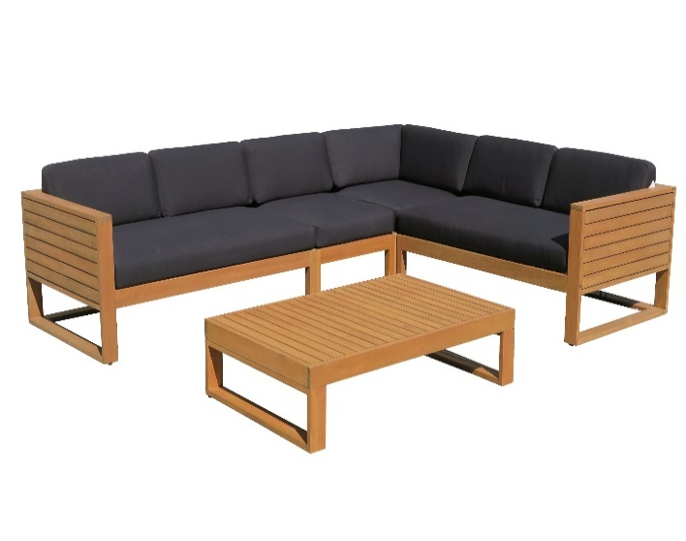 | DETAILS | INFORMATION | BURANO COLLECTION
 | TIMBER/FRAME: | FSC 100% TEAK/EUCALYPTUS/ACACIA
 | WOOD COLOUR : | OIL FINISHING | BURANO DOUBLE LEFT ARM WITH CUSHION | 880 | 1380 | 645 | 310 |  | 1410 | 1010 | 355 | 1 PER CTN | $1,126.87 | $1,010.10 | $996.37
 | CUSHION MATERIAL/ COLOR: | POLYESTER 180 GRMS | BURANO DOUBLE RIGHT ARM WITH CUSHION | 880 | 1380 | 645 | 310 |  | 1410 | 1010 | 355 | 1 PER CTN | $1,126.87 | $1,010.10 | $996.37
 | WICKER MATERIAL/COLOR: |  | BURANO MIDDLE WITH CUSHION | 800 | 650 | 645 | 310 |  | 1060 | 670 | 300 | 1 PER CTN | $489.78 | $435.88 | $429.54
 | ALU/GRANITE//TILE/GLASS/TERRAZZO: |  | BURANO CORNER WITH CUSHION | 880 | 880 | 645 | 310 |  | 1060 | 835 | 355 | 1 PER CTN | $730.11 | $645.17 | $635.18
 | CARTON: | BROWN 5PLY | BURANO SQUARE COFFEE TABLE | 880 | 880 | 320 |  |  | 925 | 905 | 170 | 1 PER CTN | $392.52 | $325.56 | $317.68
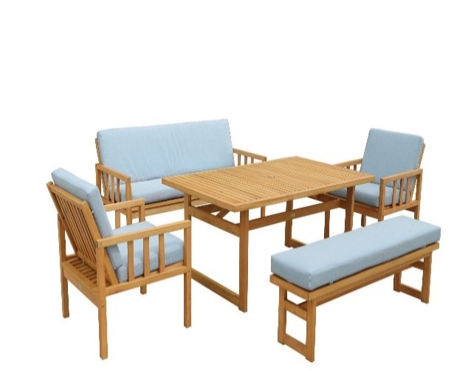
 | HARDWARE: | STANDARD
 | DETAILS | INFORMATION | MATA COLLECTION
 | TIMBER/FRAME: | FSC 100% TEAK/EUCALYPTUS/ACACIA
 | WOOD COLOUR : | OIL FINISHING | MATA DINING TABLE | 1450 | 900 | 680 |  |  | 1500 | 950 | 165 | 1 TABLE+1 BENCH | $700.02 | $565.16 | $549.30
 | CUSHION MATERIAL/ COLOR: | POLYESTER 180 GRMS | MATA BENCH WITH CUSHION - JEAN BLUE | 1350 | 320 | 380 | 380
 | WICKER MATERIAL/COLOR: |  | MATA LOUNGE TRIPLE WITH CUSHION - JEAN BLUE | 680 | 1550 | 800 | 385 | 605 | 1540 | 665 | 495 | 1 TRIPLE+2 SINGLE | $1,158.56 | $1,029.01 | $1,013.77
 | ALU/GRANITE//TILE/GLASS/TERRAZZO: |  | MATA LOUNGE SINGLE WITH CUSHION - JEAN BLUE | 680 | 630 | 800 | 385 | 605
 | CARTON: | BROWN 5PLY
 | HARDWARE: | STANDARD
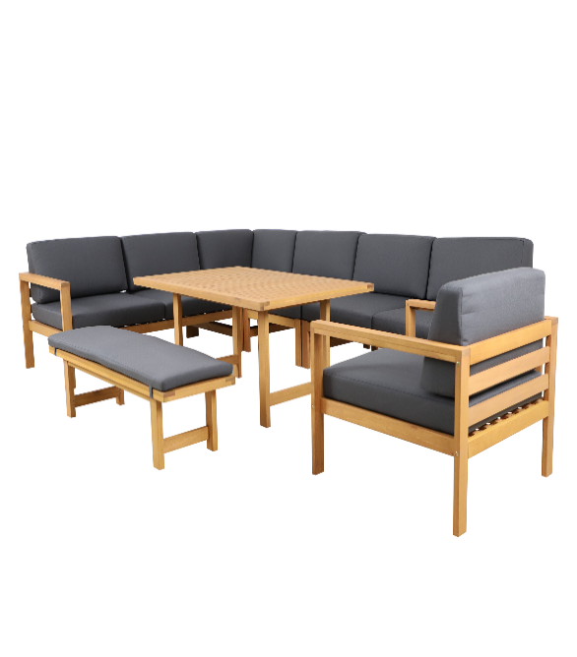 | DETAILS | INFORMATION | ARGO COLLECTION
 | TIMBER/FRAME: | FSC 100% TEAK/EUCALYPTUS/ACACIA | ARGO MODULAR DOUBLE RIGHT ARM WITH CUSHIONS | 780 | 1460 | 630/830 | 315/440 | 630 | 1490 | 875 | 400 | 1 PER CTN | $1,071.08 | $1,002.28 | $994.19
 | WOOD COLOUR : | OIL FINISHING | ARGO MODULAR DOUBLE LEFT ARM WITH CUSHIONS | 780 | 1460 | 630/830 | 315/440 | 630 | 1490 | 875 | 400 | 1 PER CTN | $1,071.08 | $1,002.28 | $994.19
 | CUSHION MATERIAL/ COLOR: | POLYESTER 180 GRMS | ARGO MODULAR CORNER WITH CUSHIONS | 780 | 780 | 630/830 | 315/440 | 630 | 875 | 850 | 450 | 1 PER CTN | $715.93 | $661.52 | $655.11
 | WICKER MATERIAL/COLOR: |  | ARGO MODULAR SINGLE ARMLESS WITH CUSHIONS | 780 | 700 | 630/830 | 315/440 |  | 875 | 790 | 410 | 1 PER CTN | $593.37 | $553.87 | $549.22
 | ALU/GRANITE//TILE/GLASS/TERRAZZO: |  | ARGO SINGLE CHAIR WITH ARMS & CUSHION | 1350 | 850 | 660 |  |  | 1450 | 950 | 160 | 1 PER CTN | $572.71 | $492.41 | $482.96
 | CARTON: | BROWN 5PLY | ARGO MID HEIGHT TABLE - POST LEG | 1330 | 400 | 360/420 |  |  | 1420 | 490 | 255 | 1 PER CTN | $425.14 | $377.00 | $371.34
 | HARDWARE: | STANDARD | ARGO BENCH WITH CUSHION | 780 | 780 | 630/830 | 315/440 | 630 | 875 | 770 | 420 | 1 PER CTN | $606.91 | $560.86 | $555.44
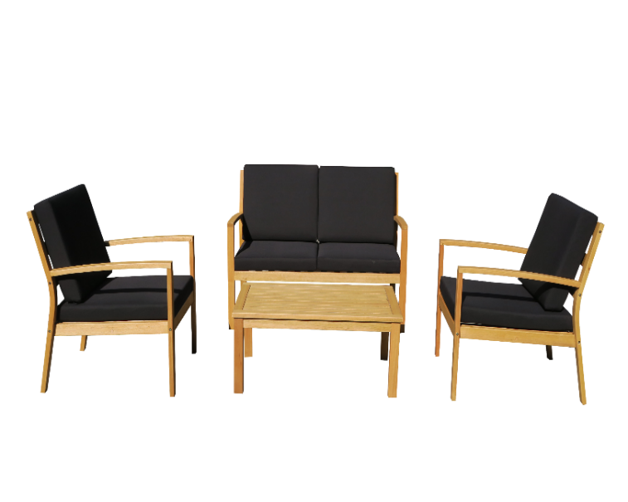 | DETAILS | INFORMATION | MOBLEY COLLECTION
 | TIMBER/FRAME: | FSC 100% TEAK/EUCALYPTUS/ACACIA
 | WOOD COLOUR : | OIL FINISHING
 | CUSHION MATERIAL/ COLOR: | POLYESTER 180 GRMS | MOBLEY DOUBLE LOUNGE WITH CUSHIONS- CD | 690 | 1110 | 820 | 340 | 610 | 1100 | 730 | 295 | 1 PER CTN | $499.57 | $459.24 | $454.50
 | WICKER MATERIAL/COLOR: |  | MOBLEY SINGLE LOUNGE WITH CUSHIONS-CD | 690 | 590 | 820 | 340 | 610 | 875 | 730 | 295 | 1 PER CTN | $388.25 | $360.68 | $357.44
 | ALU/GRANITE//TILE/GLASS/TERRAZZO: |  | MOBLEY COFFEE TABLE 900 x 550 x 380h | 900 | 550 | 380 |  |  | 950 | 580 | 95 | 1 PER CTN | $172.18 | $134.98 | $130.60
 | CARTON: | BROWN 5PLY
 | HARDWARE: | STANDARD
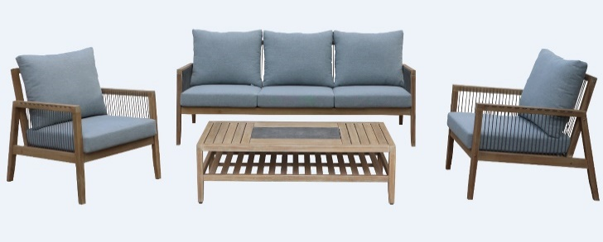 | DETAILS | INFORMATION | JAVAN COLLECTION
 | TIMBER/FRAME: | FSC 100% TEAK/EUCALYPTUS/ACACIA
 | WOOD COLOUR : | OIL FINISHING
 | CUSHION MATERIAL/ COLOR: | POLYESTER 180 GRMS | JAVAN TRIPLE LOUNGE WITH CUSHIONS - ROPE WEAVE BACK AND SIDES | 882 | 2030 | 800 | 310/430 | 610 | 2020 | 680 | 415 | 1 PER CTN | $1,240.59 | $1,131.83 | $1,119.04
 | WICKER MATERIAL/COLOR: | SR97 - 6MM | JAVAN SINGLE LOUNGE WITH CUSHIONS - ROPE WEAVE BACK AND SIDES | 882 | 680 | 800 | 310/430 | 610 | 915 | 680 | 415 | 1 PER CTN | $574.12 | $521.92 | $515.78
 | ALU/GRANITE//TILE/GLASS/TERRAZZO: | TILE G63764 - 600 x 300 x 10mm x 1PCE | JAVAN COFFEE TABLE - WITH TILE INLAY 1PC | 1275 | 620 | 368 |  |  | 1260 | 660 | 130 | 1 PER CTN | $336.30 | $269.78 | $261.96
 | CARTON: | BROWN 5PLY
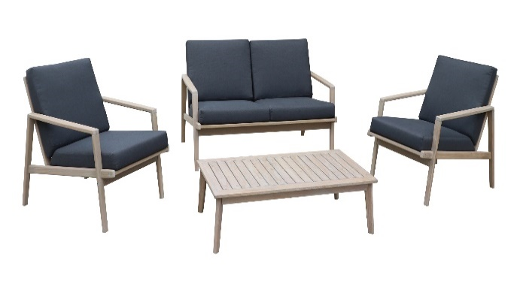
 | HARDWARE: | SILVER
 | DETAILS | INFORMATION | LION COLLECTION
 | TIMBER/FRAME: | FSC 100% TEAK/EUCALYPTUS/ACACIA
 | WOOD COLOUR : | OIL FINISHING
 | CUSHION MATERIAL/ COLOR: | POLYESTER 180 GRMS | LION DOUBLE LOUNGE WITH CUSHION - CHARCOAL | 785 | 1320 | 780/800 | 358/445 | 560 | 1270 | 650 | 375 | 1 PER CTN | $683.24 | $616.84 | $609.03
 | WICKER MATERIAL/COLOR: |  | LION SINGLE LOUNGE WITH CUSHION - CHARCOAL | 785 | 680 | 780/800 | 358/445 | 560 | 940 | 635 | 330 | 1 PER CTN | $428.37 | $389.18 | $384.57
 | ALU/GRANITE//TILE/GLASS/TERRAZZO: |  | LION STYLE COFFEE TABLE 1100 x 600mm | 1100 | 600 | 325 |  |  | 1150 | 630 | 90 | 1 PER CTN | $203.19 | $162.03 | $157.19
 | CARTON: | BROWN 5PLY
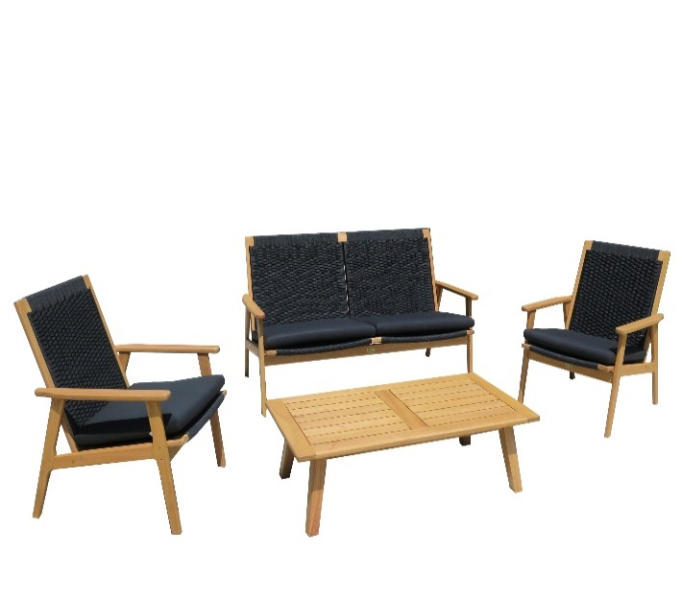
 | HARDWARE: | SILVER
 | DETAILS | INFORMATION | PALMA COLLECTION
 | TIMBER/FRAME: | FSC 100% TEAK/EUCALYPTUS/ACACIA
 | WOOD COLOUR : | OIL FINISHING
 | CUSHION MATERIAL/ COLOR: | POLYESTER 180 GRMS | PALMA LOW DOUBLE LOUNGE - CHARCOAL ROPE WEAVE - WITH BASE CUSHION | 772/720 | 1510/1400 | 850 | 360 | 550 | 1460 | 695 | 205 | 1 PER CTN | $586.36 | $529.55 | $522.86
 | WICKER MATERIAL/COLOR: | ROPE BLACK 6MM SR06 | PALMA LOW SINGLE LOUNGE - CHARCOAL ROPE WEAVE - WITH BASE CUSHION | 772/720 | 670/560 | 850 | 360 | 550 | 780 | 605 | 225 | 1 PER CTN | $308.55 | $271.19 | $266.80
 | ALU/GRANITE//TILE/GLASS/TERRAZZO: |  | PALMA COFFEE TABLE - 1200 x 615mm x 340H | 1200 | 615 | 340 |  |  | 1255 | 645 | 100 | 1 PER CTN | $260.20 | $205.45 | $199.01
 | CARTON: | BROWN 5PLY
 | HARDWARE: | STANDARD
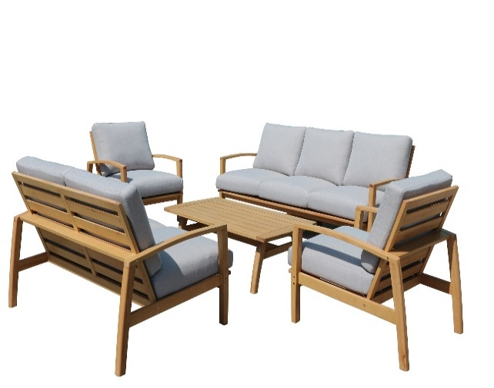 | DETAILS | INFORMATION | CUBAN COLLECTION
 | TIMBER/FRAME: | FSC 100% TEAK/EUCALYPTUS/ACACIA
 | WOOD COLOUR : | OIL FINISHING | CUBAN TRIPLE LOUNGE WITH CUSHIONS | 934 | 2050 | 879 | 293 | 600 | 2040 | 715 | 315 | 1 PER CTN | $1,073.79 | $946.42 | $931.43
 | CUSHION MATERIAL/ COLOR: | POLYESTER 180 GRMS | CUBAN DOUBLE LOUNGE WITH CUSHIONS | 934 | 1400 | 879 | 293 | 600 | 1450 | 715 | 315 | 1 PER CTN | $766.77 | $675.48 | $664.74
 | WICKER MATERIAL/COLOR: |  | CUBAN SINGLE LOUNGE WITH CUSHIONS | 934 | 750 | 879 | 293 | 600 | 960 | 725 | 385 | 1 PER CTN | $598.18 | $537.18 | $530.01
 | ALU/GRANITE//TILE/GLASS/TERRAZZO: |  | CUBAN COFFEE TABLE - 1250 x 650 x 400H | 1250 | 650 | 400 |  |  | 1305 | 680 | 110 | 1 PER CTN | $335.08 | $259.27 | $250.35
 | CARTON: | BROWN 5PLY
 | HARDWARE: | STANDARD
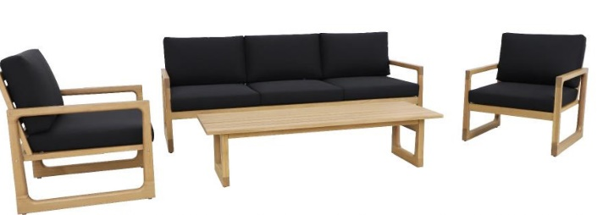 | DETAILS | INFORMATION | ZEDD COLLECTION
 | TIMBER/FRAME: | FSC 100% TEAK/EUCALYPTUS/ACACIA
 | WOOD COLOUR : | OIL FINISHING
 | CUSHION MATERIAL/ COLOR: | POLYESTER 180 GRMS | ZEDD TRIPLE LOUNGE WITH CUSHION | 744 | 2080 | 735/ 820 | 310 / 430 | 560 | 2055 | 740 | 295 | 1 PER CTN | $1,070.25 | $939.18 | $923.76
 | WICKER MATERIAL/COLOR: |  | ZEDD SINGLE LOUNGE WITH CUSHION | 744 | 680 | 735/ 820 | 310 / 430 | 560 | 740 | 660 | 275 | 1 PER CTN | $377.87 | $312.64 | $304.97
 | ALU/GRANITE//TILE/GLASS/TERRAZZO: |  | ZEDD COFFEE TABLE 1500 x 520mm | 1500 | 520 | 370 |  |  | 1550 | 570 | 85 | 1 PER CTN | $277.76 | $210.26 | $202.32
 | CARTON: | BROWN 5PLY
 | HARDWARE: | STANDARD

